Sheet1 (2)
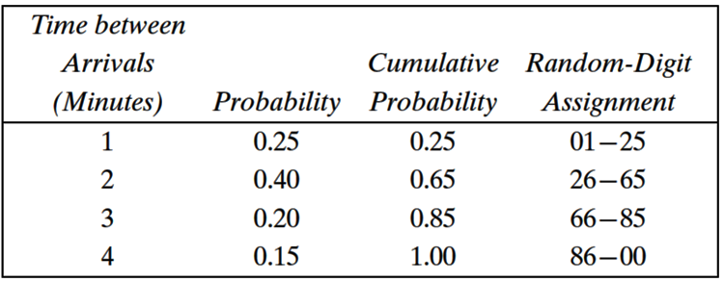
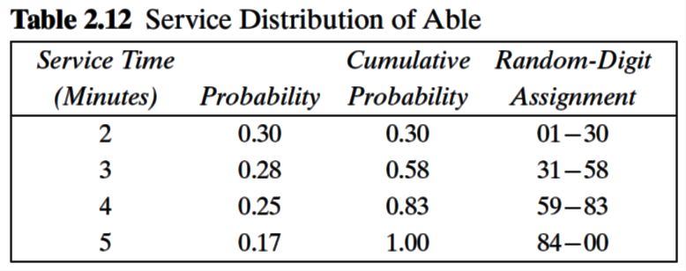
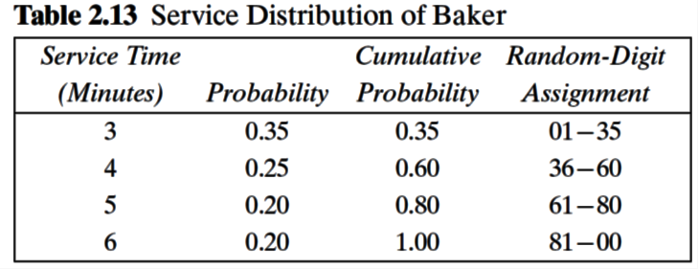

 |  |  |  |  | ABLE |  |  | BAKER
customer | random digits | Inter arrival | clock time | random digits | Time Service | Service | Time Service | Time Service | Service | Time Service | Time in
number | for arrival | time | of arrival | for service | Begins | Time | Ends | Begins | Time | Ends | Queue
1
2
3
4
5
6
7
8
9
10
11
12
13
14
15
16
17
18
19
20
21
22
23
24
25
26

